USGS_CAWSC_continuous_map
**map of all fixed station flow/WQ data from USGS CAWSC

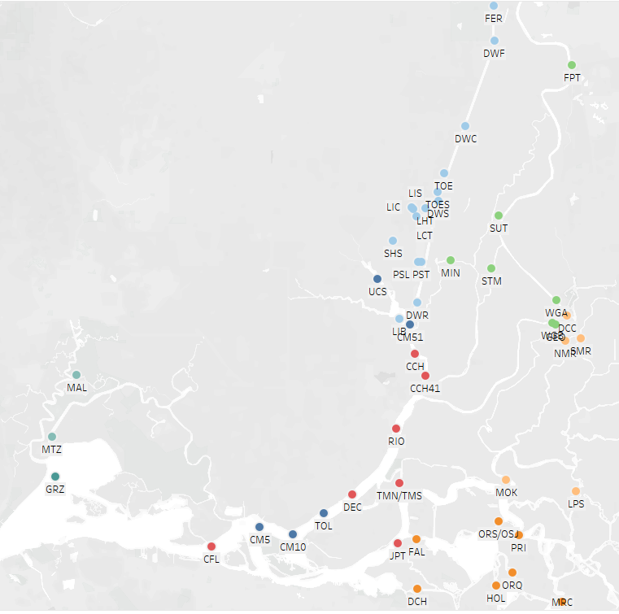
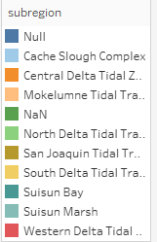

 | n = relatively new station, subregion not yet assigned...

